balance
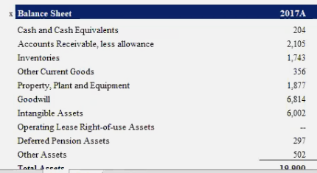
Balance Sheet | 2018A | 2019A | 2020A | 2021A | 2022P | 2023P | 2024P | 2025P | 2025P
Current assets
Cash and cash equivalents | 3,686 | 6,268 | 19,384 | 17,576
Restricted cash |  | 246
Short-term marketable securities | 193 |  |  | 131
Accounts receivable, net | 949 | 1,324 | 1,886 | 1,913 | 4,665 | 5,949 | 7,141 | 6,839 | 9,013
Inventory | 3,113 | 3,552 | 4,101 | 5,757 | 20,166 | 25,716 | 30,870 | 29,561 | 38,959
Prepaid expenses and other current assets | 366 | 713 | 1,346 | 1,723 | 2,912 | 3,713 | 4,458 | 4,269 | 5,626
Total current assets | 8,306 | 12,103 | 26,717 | 27,100 | 27,744 | 35,378 | 42,469 | 40,668 | 53,597

Total non-current assets | 21,433 | 22,206 | 25,431 | 35,031
Total assets | 29,740 | 34,309 | 52,148 | 62,131

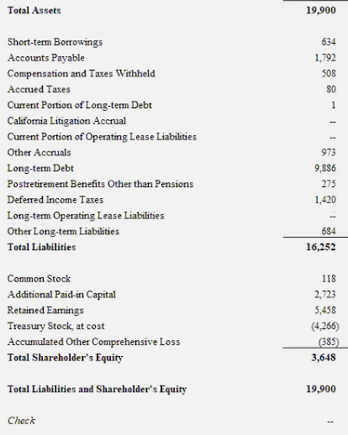
Current liabilities
Accounts payable | 3,404 | 3,771 | 6,051 | 10,025 | 16,646 | 21,227 | 25,481 | 24,400 | 32,158
Accrued liabilities and other | 2,094 | 2,905 | 3,855 | 5,719 | 10,715 | 13,663 | 16,402 | 15,706 | 20,700
Deferred revenue | 630 | 1,163 | 1,458 | 1,447 | 3,613 | 4,607 | 5,531 | 5,296 | 6,980
Resale value guarantees | 503 | 317
Customer deposits | 793 | 726 | 752 | 925 | 2,593 | 3,306 | 3,969 | 3,800 | 5,009
Current portion of debt and finance leases | 2,568 | 1,785 | 2,132 | 1,589 | 6,980 | 8,900 | 10,684 | 10,231 | 13,484
Total current liabilities | 9,992 | 10,667 | 14,248 | 19,705 | 40,546 | 51,703 | 62,066 | 59,434 | 78,330

NonCurrent Liabilities
Debt and finance leases, net of current portion | 9,404 | 11,634 | 9,556 | 5,245
Solar bonds issued to related parties, net of current portion
Convertible senior notes issued to related parties
Deferred revenue, net of current portion | 991 | 1,207 | 1,284 | 2,052
Resale value guarantees, net of current portion | 329 | 36
Other long-term liabilities | 2,710 | 2,655 | 3,330 | 3,546
Total liabilities | 23,426 | 26,199 | 28,418 | 30,548

Equity
Common stock | 0 |  | 1 | 1
Additional paid-in capital | 10,249 | 12,737 | 27,260 | 29,803
Accumulated other comprehensive income | -8 | -36 | 363 | 54
Retained earnings (accumulated deficit) | -5,318 | -6,083 | -5,399 | 331
Total stockholders' equity | 4,923 | 6,618 | 22,225 | 30,189
Total liabilities and equity | 29,740 | 34,309 | 52,148 | 62,131

Current assets |  |  |  |  |  |  |  |  | Projected
Accounts receivable, net (turnover days) | 16 | 20 | 22 | 13 | 18 | 18 | 18 | 18 | 18
Inventory (turnover days) | 83 | 81 | 76 | 65 | 76 | 76 | 76 | 76 | 76
Prepaid expenses and other current assets (% margin) | 1.7% | 2.9% | 4.3% | 3.2% | 3.0% | 3.0% | 3.0% | 3.0% | 3.0%

Current liabilities
Accounts payable (turnover days) | 58 | 56 | 70 | 68 | 63 | 63 | 63 | 63 | 63
Accrued liabilities and other (% margin) | 9.8% | 11.8% | 12.2% | 10.6% | 11.1% | 11.1% | 11.1% | 11.1% | 11.1%
Deferred revenue (% margin) | 2.9% | 4.7% | 4.6% | 2.7% | 3.7% | 3.7% | 3.7% | 3.7% | 3.7%
Resale value guarantees (% margin) | 2.3% | 1.3% |  |  | 1.8% | 1.8% | 1.8% | 1.8% | 1.8%
Customer deposits (% margin) | 3.7% | 3.0% | 2.4% | 1.7% | 2.7% | 2.7% | 2.7% | 2.7% | 2.7%
Current portion of debt and finance leases | 12.0% | 7.3% | 6.8% | 3.0% | 7.2% | 7.2% | 7.2% | 7.2% | 7.2%

∆ in working capital:
Accounts receivable, net | -434 | -375 | -562 | -27 | -2,752 | -1,284 | -1,192 | 303 | -2,174
Inventory | -850 | -439 | -549 | -1,656 | -14,409 | -5,549 | -5,154 | 1,309 | -9,398
Prepaid expenses and other current assets | -97 | -347 | -633 | -377 | -1,189 | -801 | -744 | 189 | -1,357
Accounts payable | 1,014 | 367 | 2,280 | 3,974 | 6,621 | 4,581 | 4,254 | -1,081 | 7,757
Accrued liabilities and other | 363 | 811 | 950 | 1,864 | 4,996 | 2,948 | 2,738 | -696 | 4,993
Deferred revenue | -385 | 533 | 295 | -11 | 2,166 | 994 | 923 | -235 | 1,684
Resale value guarantees | -284 | -186 | -317
Customer deposits | -61 | -67 | 26 | 173 | 1,668 | 713 | 663 | -168 | 1,208
∆ in working capital: | -735 | 297 | 1,490 | 3,940 | -2,900 | 1,602 | 1,488 | -378 | 2,714

